Feuil1
NAME | IMAGE | Q
SCROLL_wheel | 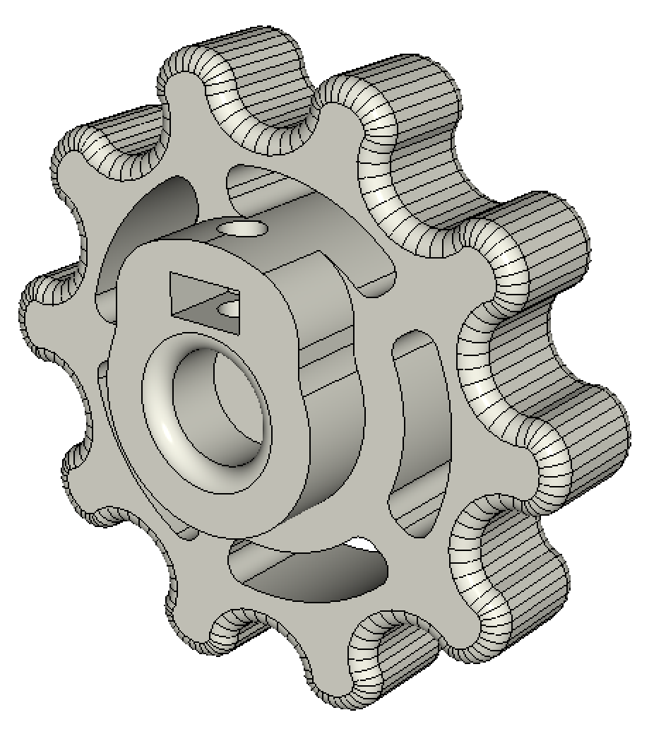 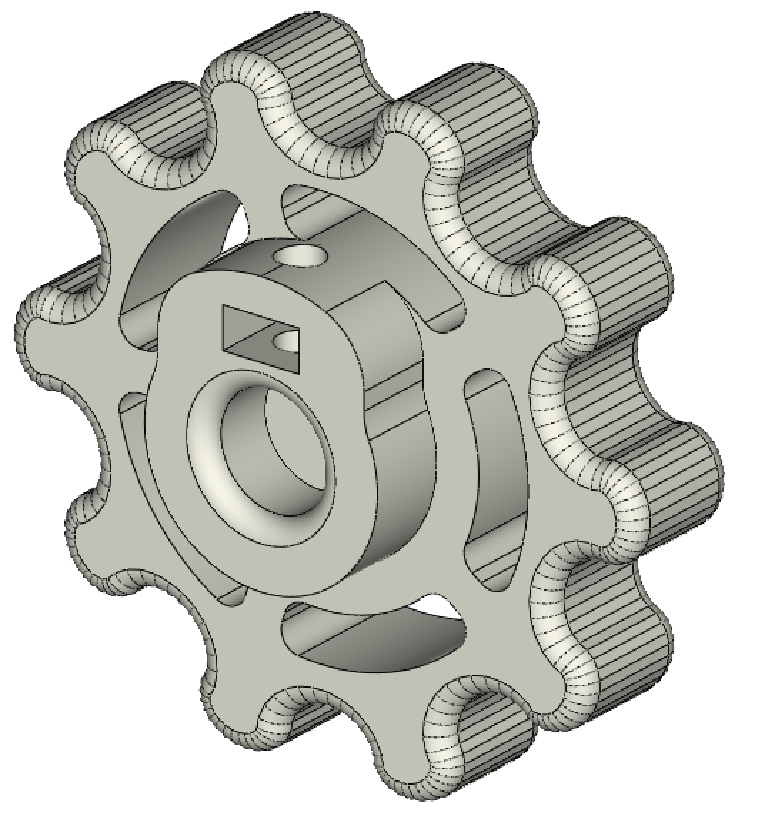 | 2
KP08_support | 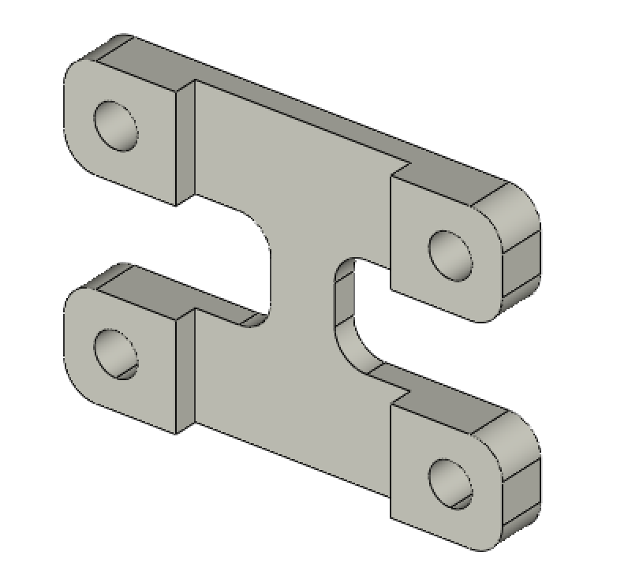 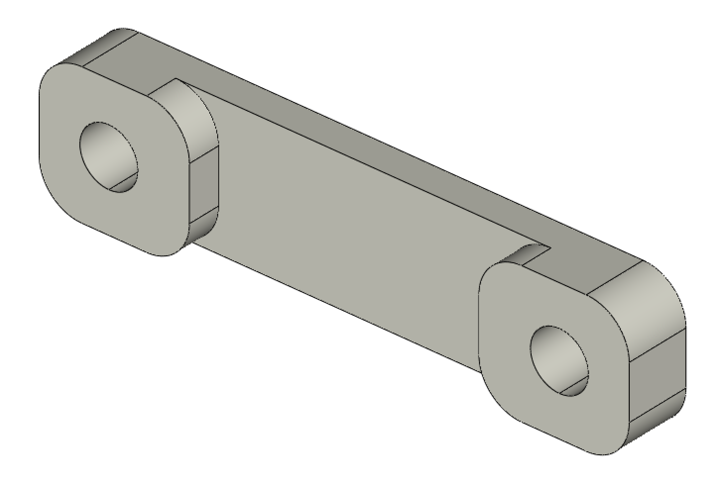 | 2
IGUS_housing | 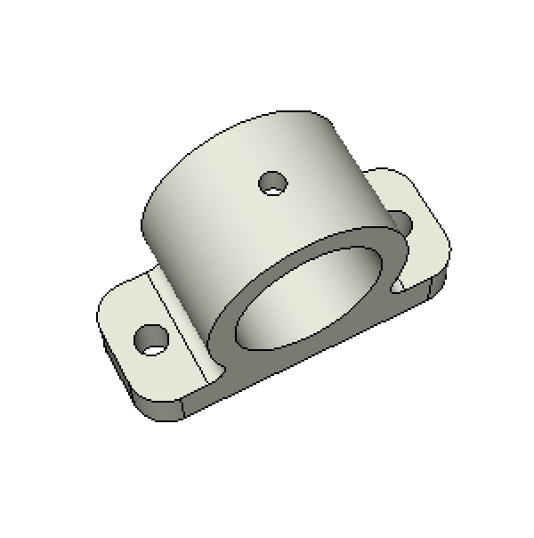 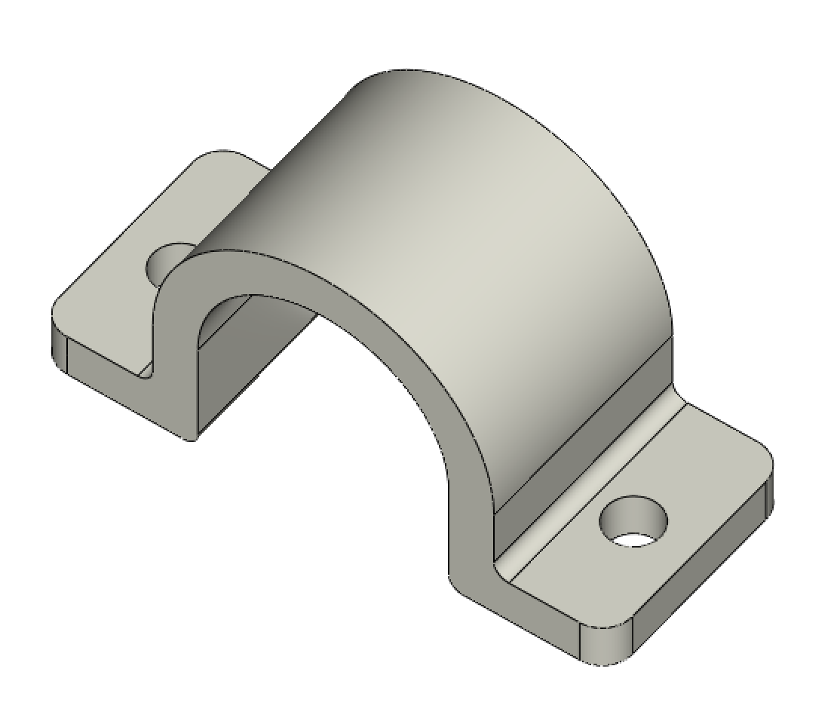 | 6
YMOTOR_support_220 | 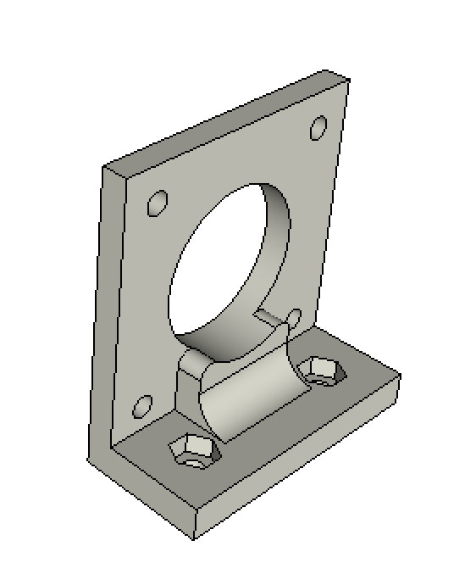 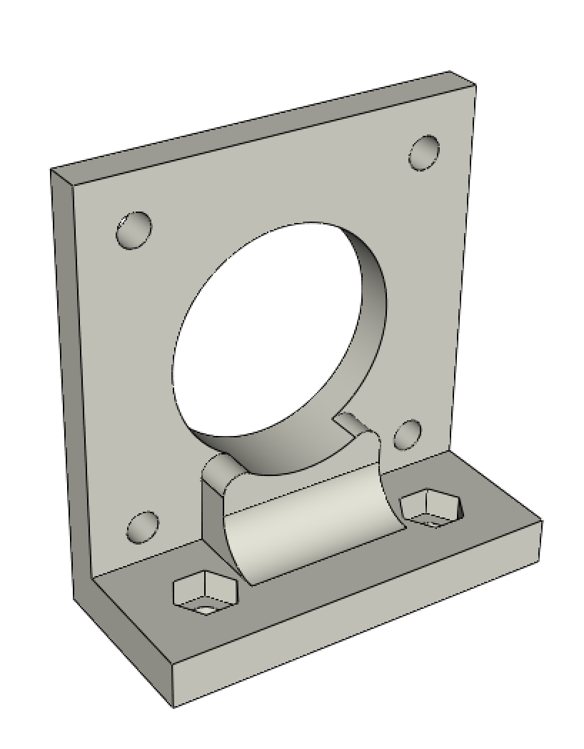 | 1 | for 220mm GT2 timing belt
YMOTOR_support_200 | 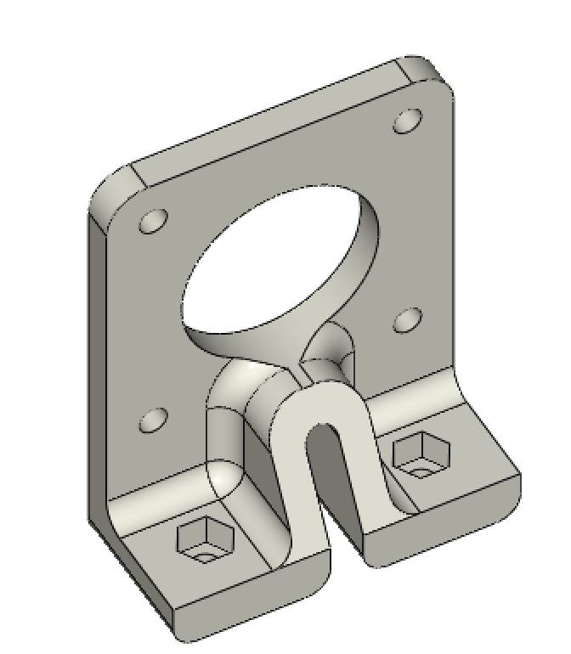 | 1 | for 200mm GT2 timing belt
XMOTOR_support | 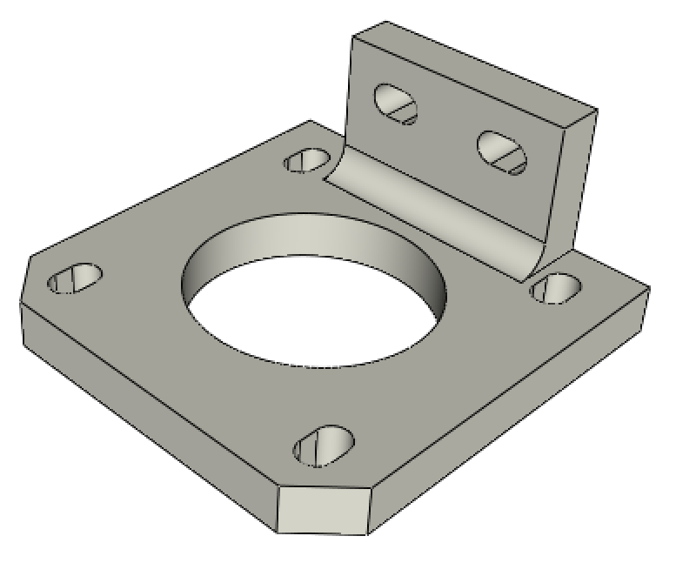 | 1
ROLL_joint | 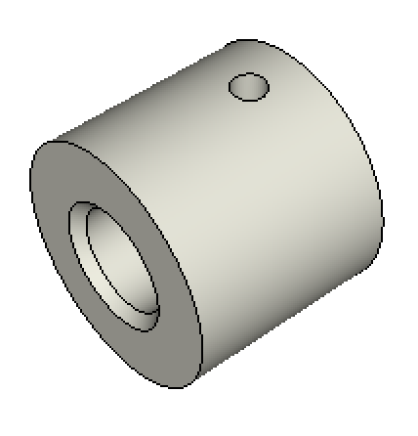 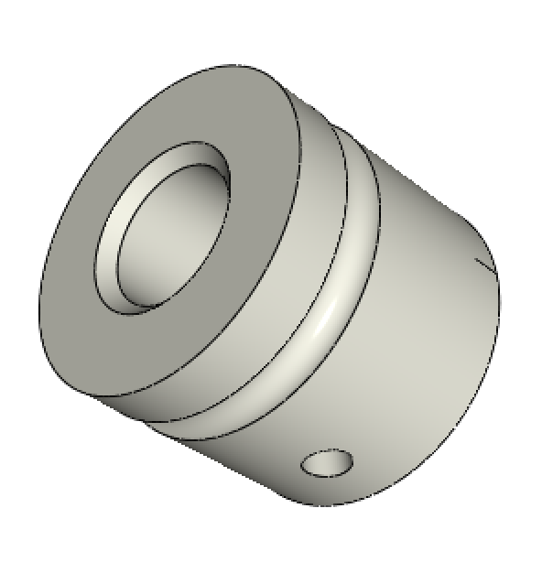 | 2
BOTTOM_trolley | 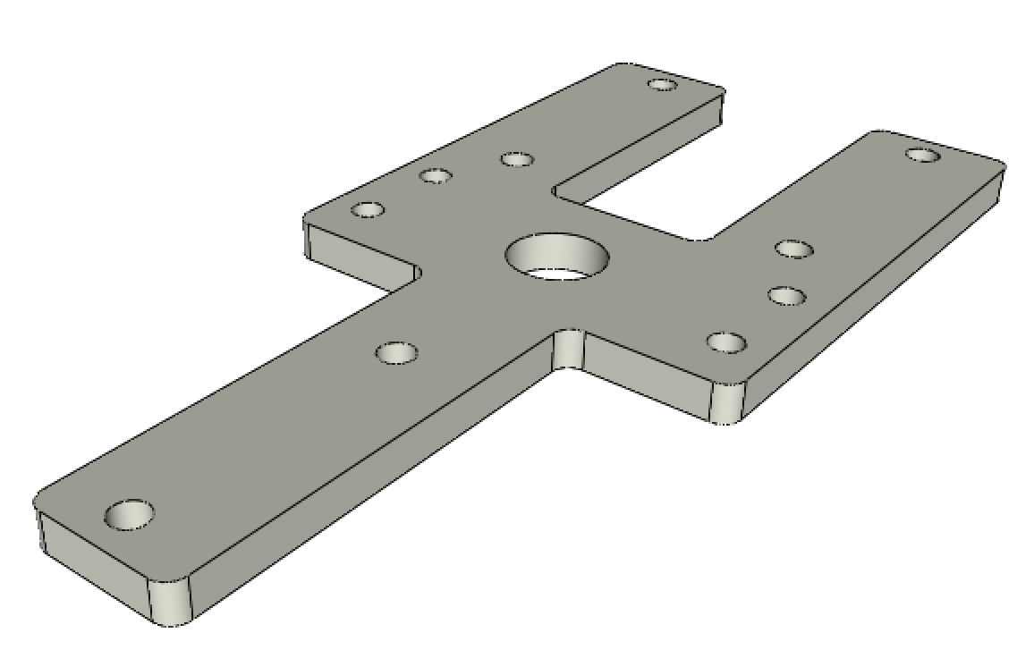 | 1
ELECTRO_MAGNET_housing | 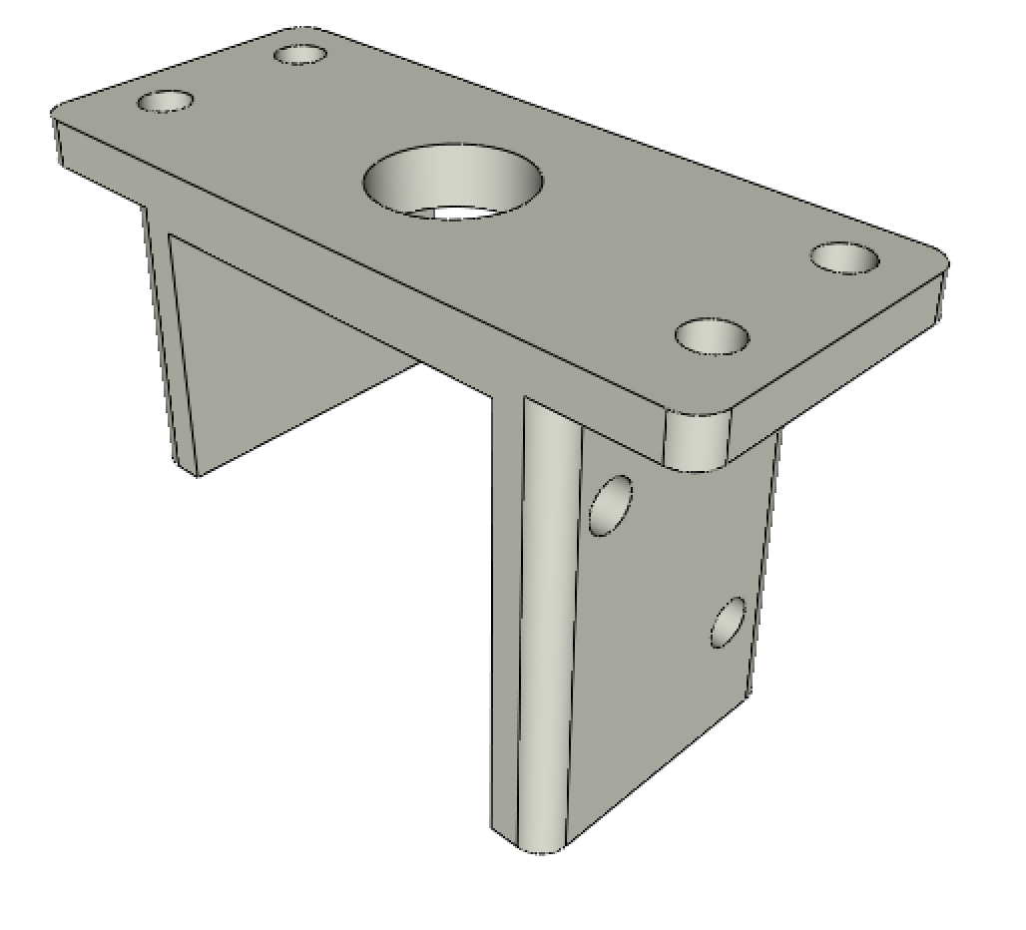 | 1
ELECTRO_MAGNET_guide | 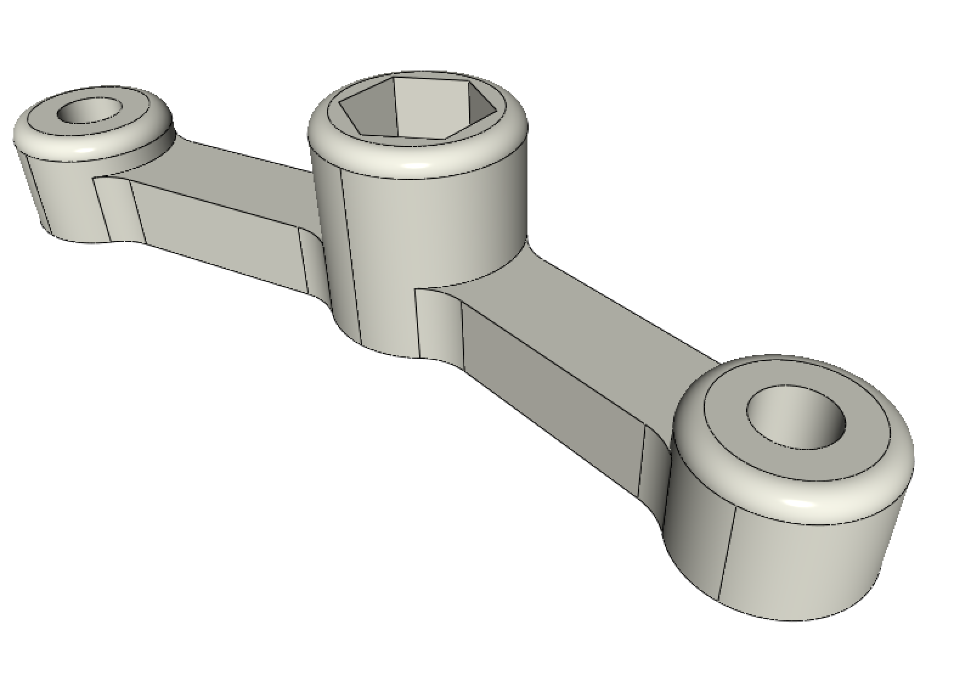 | 1
TOP_trolley | 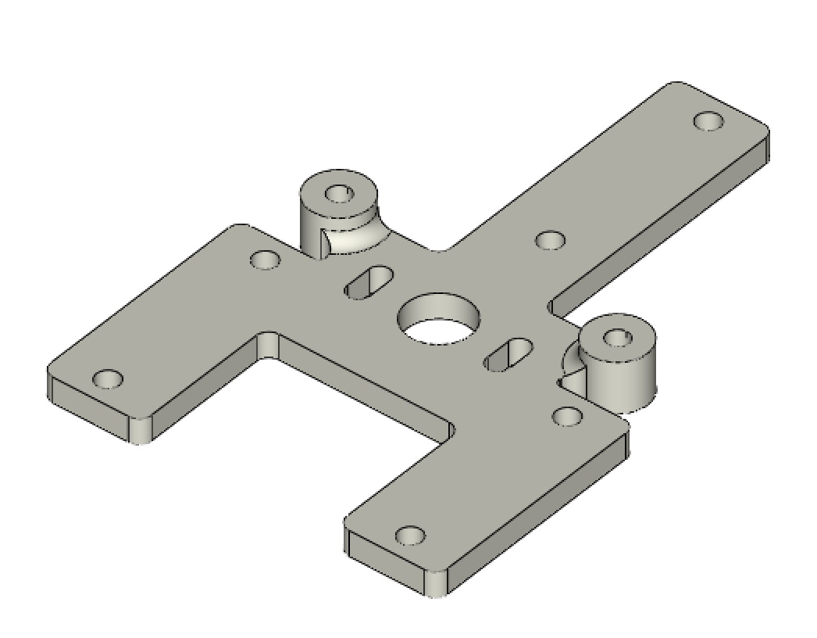 | 1
FEMALE_shape | 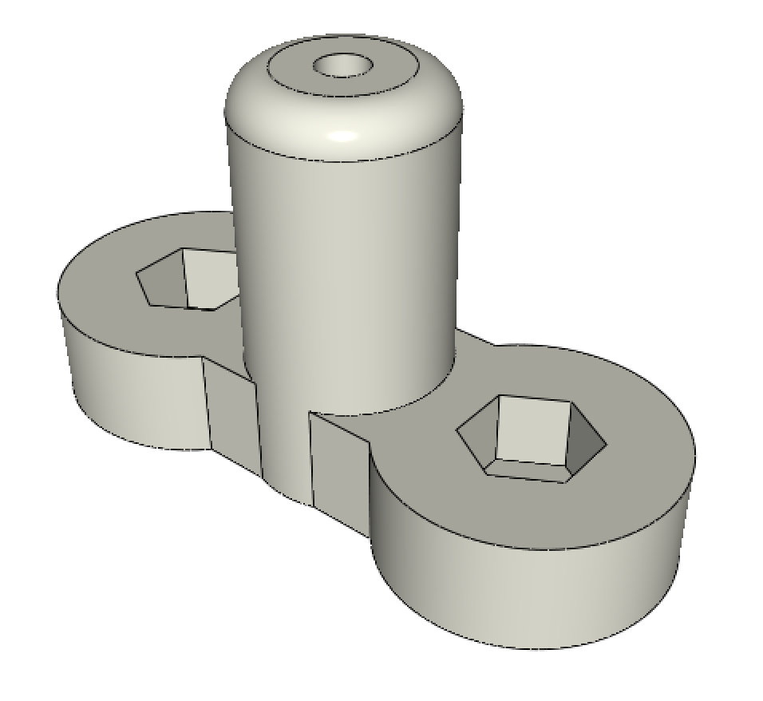 | 1
TOP_AXIS_left | 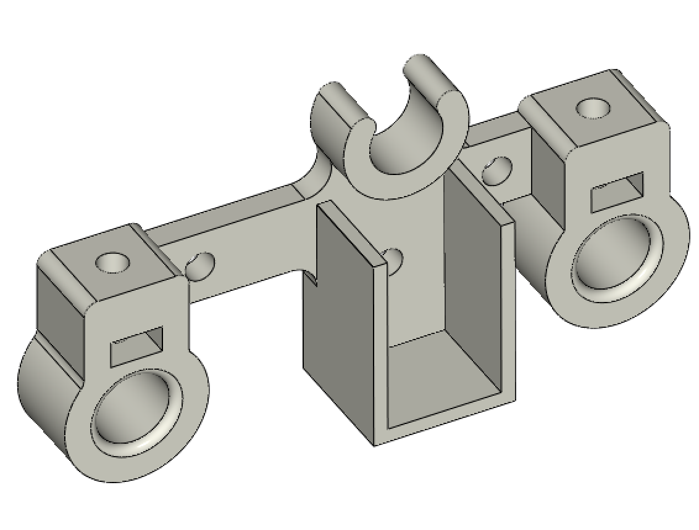 | 1
TOP_AXIS_right | 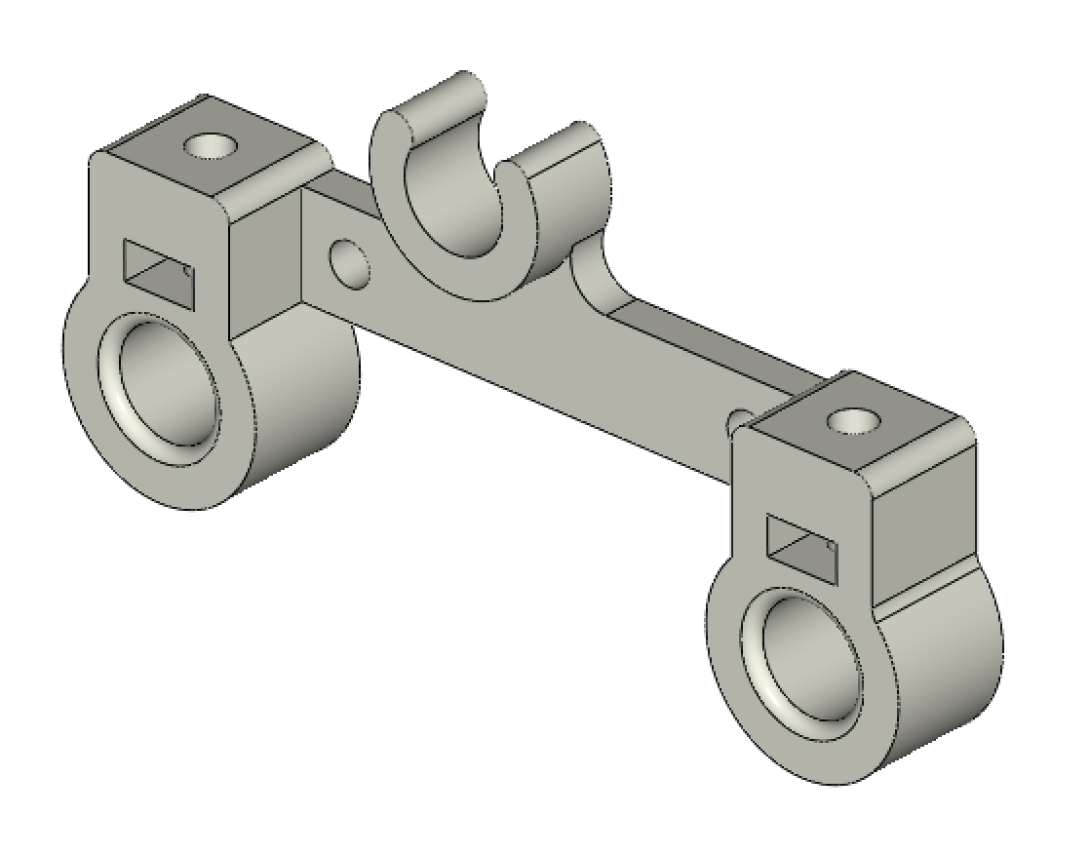 | 1
LID_LOCK | 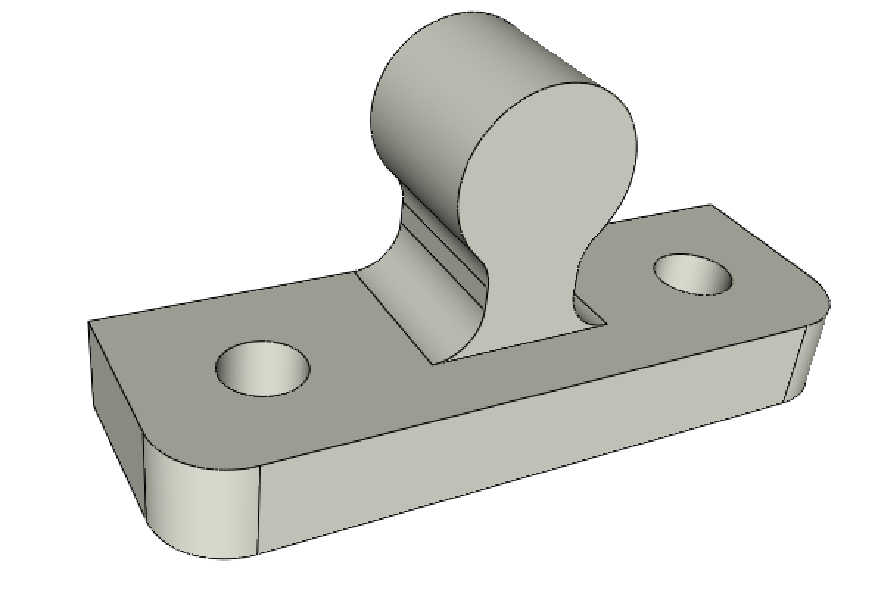 | 2
BOTTOM_AXIS_left | 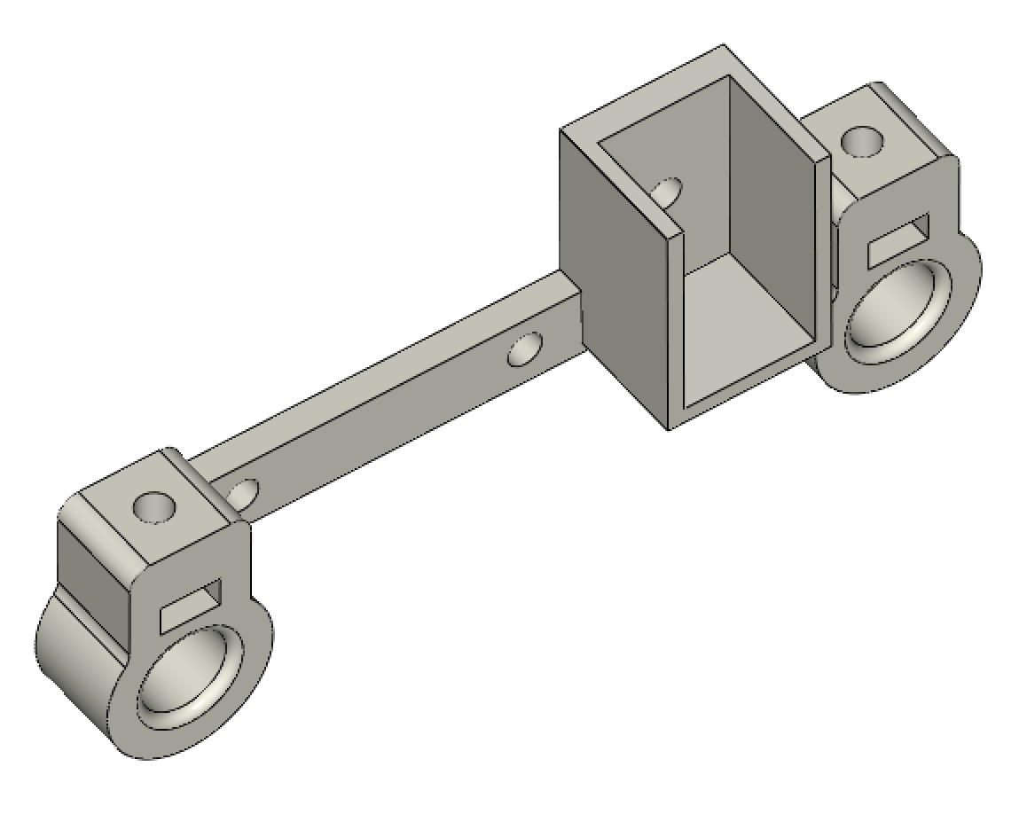 | 1
BOTTOM_AXIS_right | 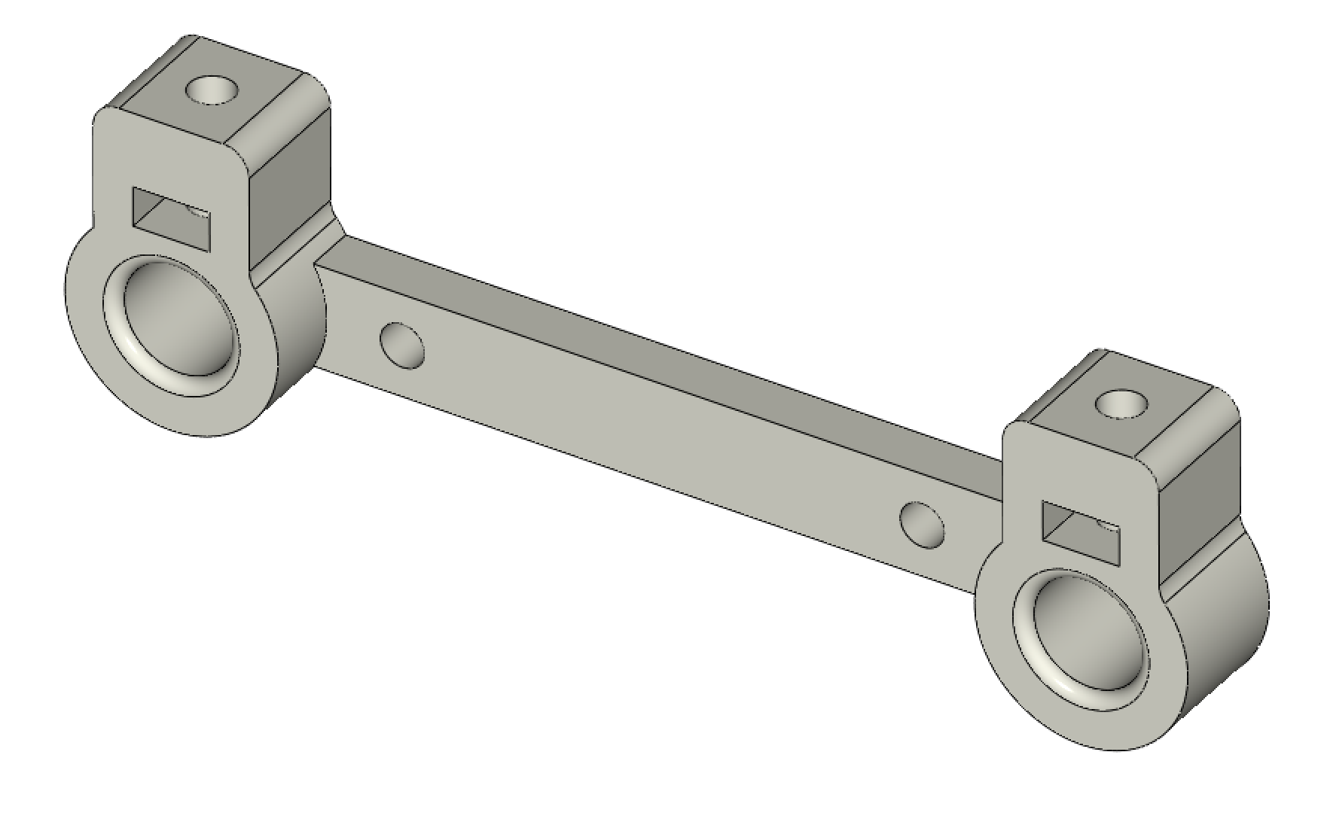 | 1
DRIVEN_PULLEY_housing | 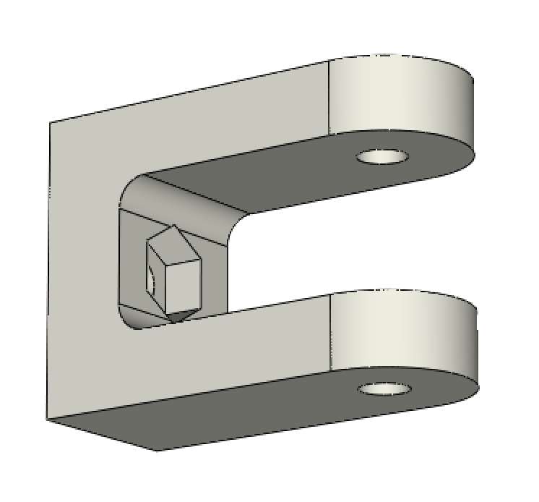 | 2
PAPER_GUIDE_left_1 | 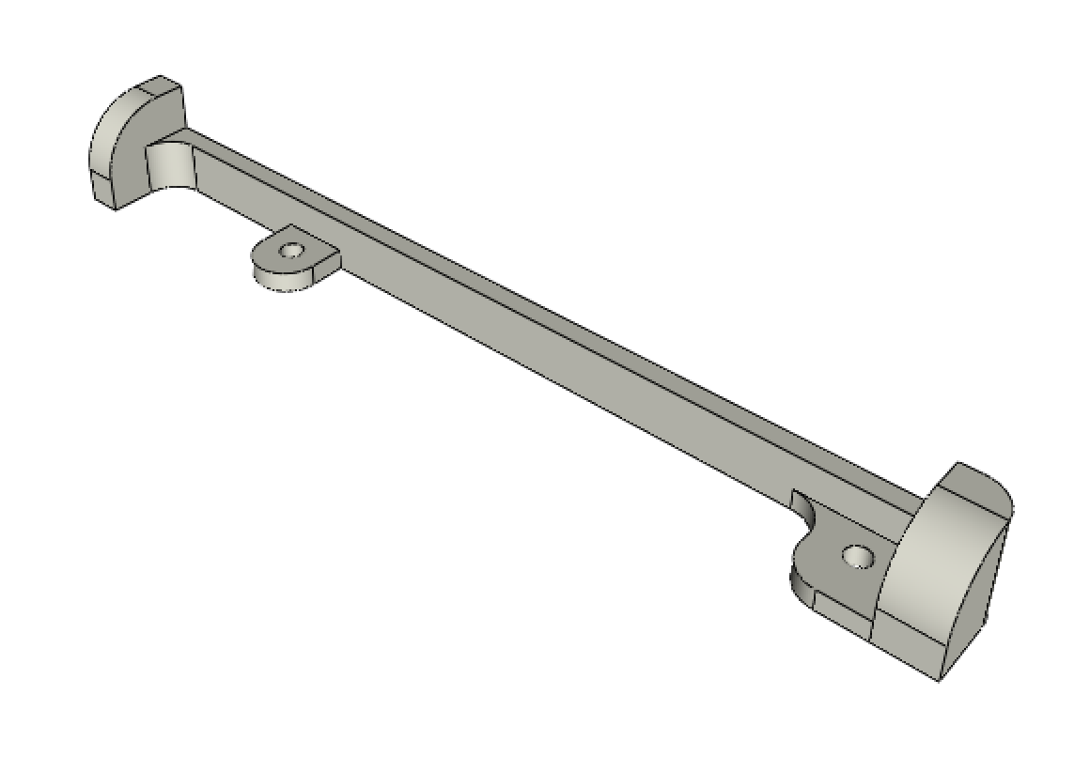 | 1
PAPER_GUIDE_left_2 | 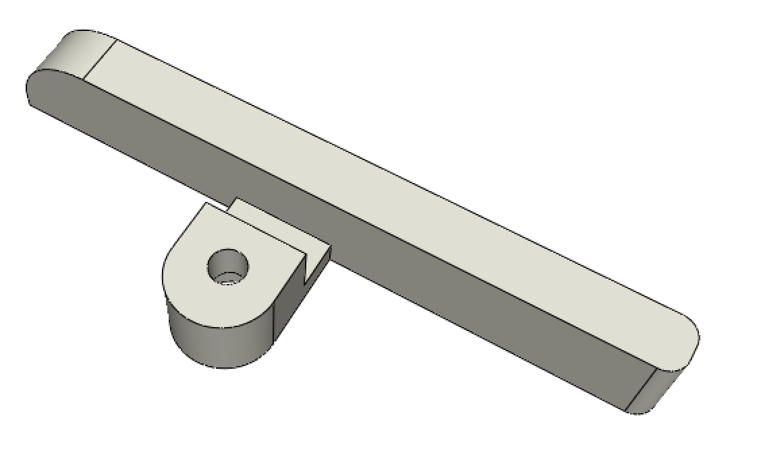 | 1
PAPER_GUIDE_right_1 | 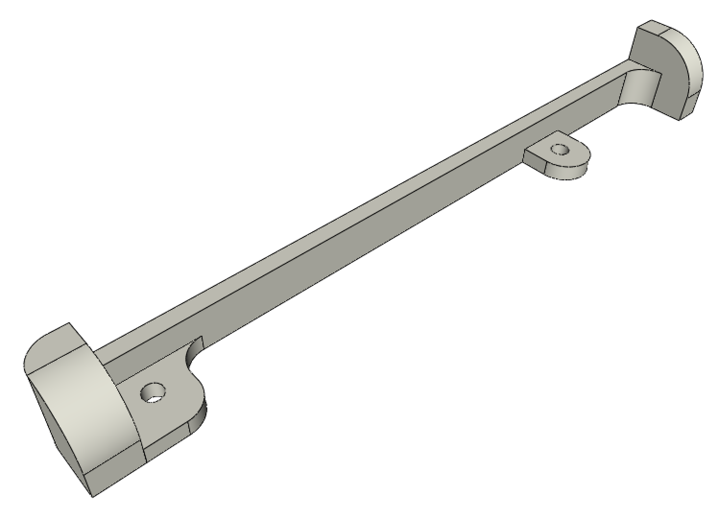 | 1
PAPER_GUIDE_right_2 | 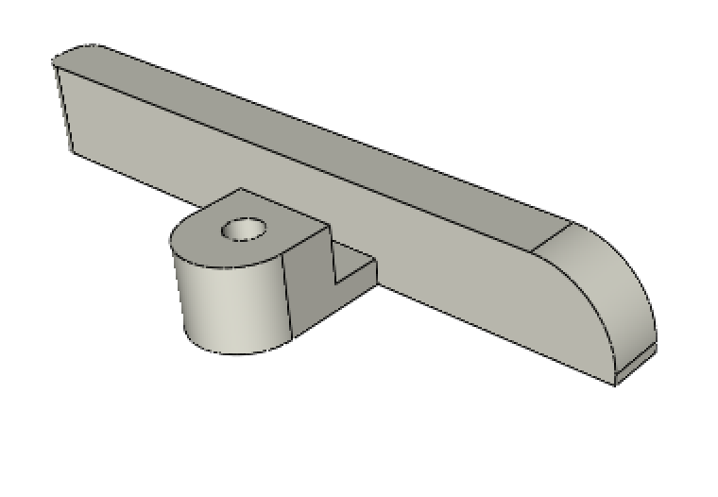 | 1
SWITCH_Y_support | 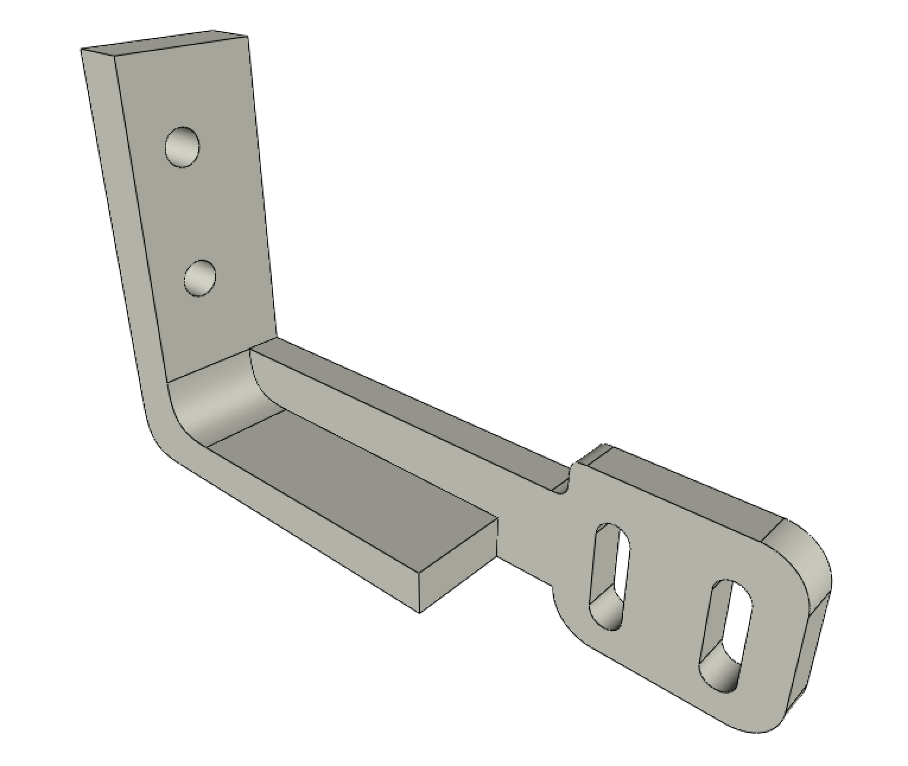 | 1
PAPER_raiser | 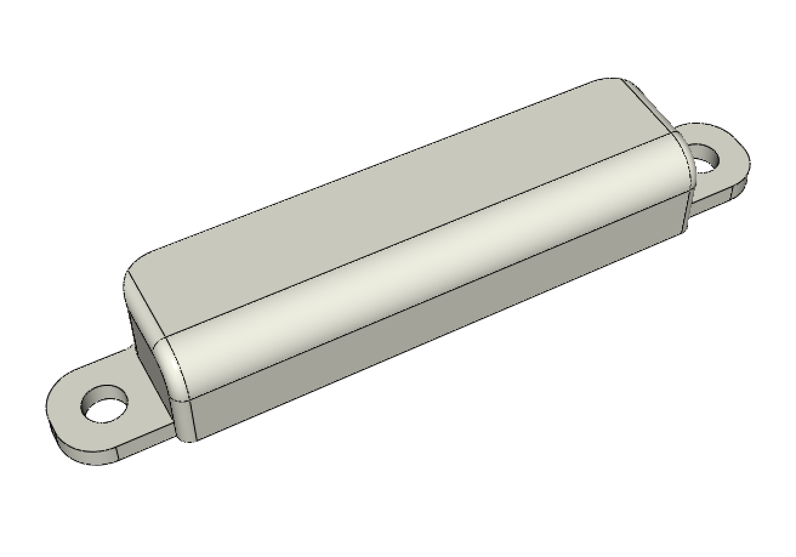 | 2
SWITCH_X_support | 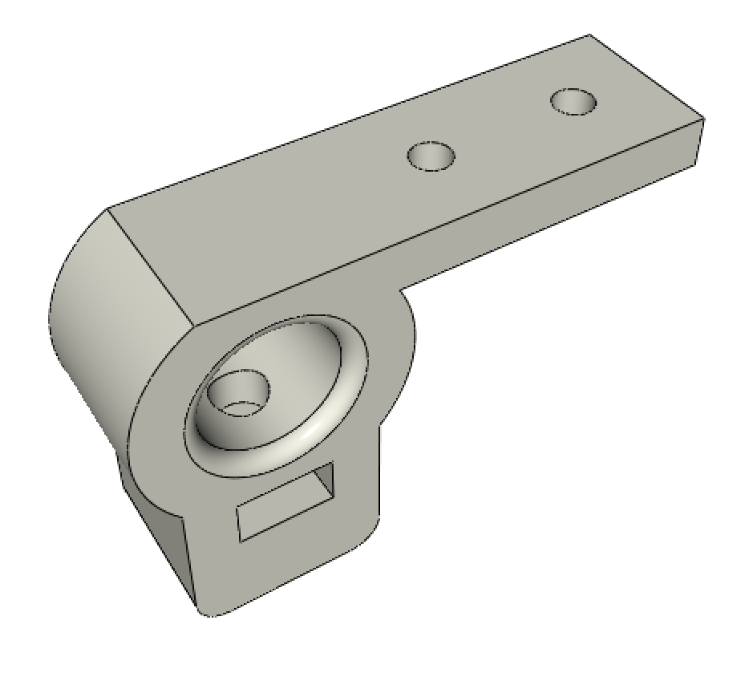 | 1
CLIPBOARD | 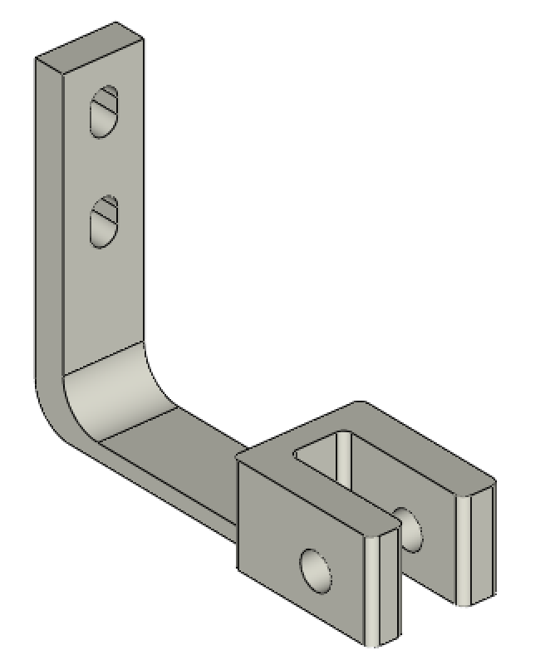 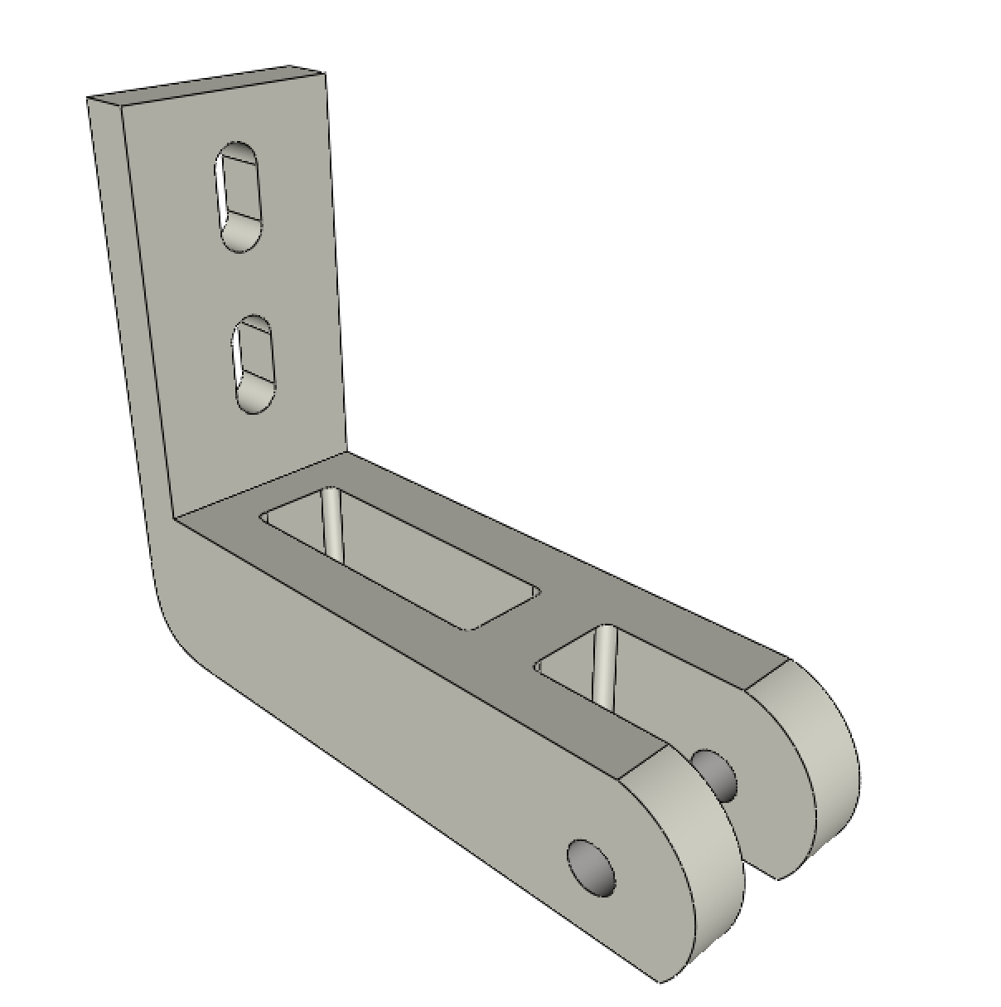 | 2
CLIPBOARD_WHEEL | 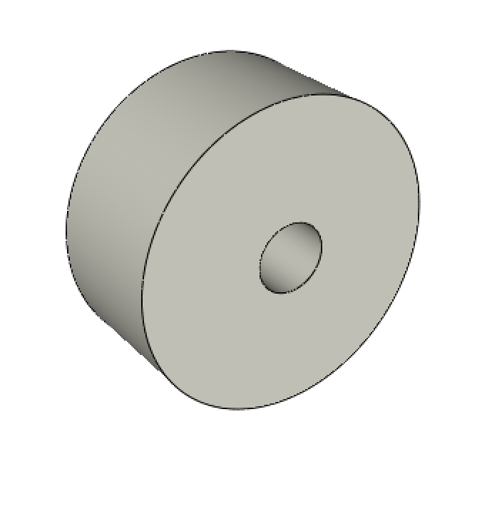 | 2
POWER_plate | 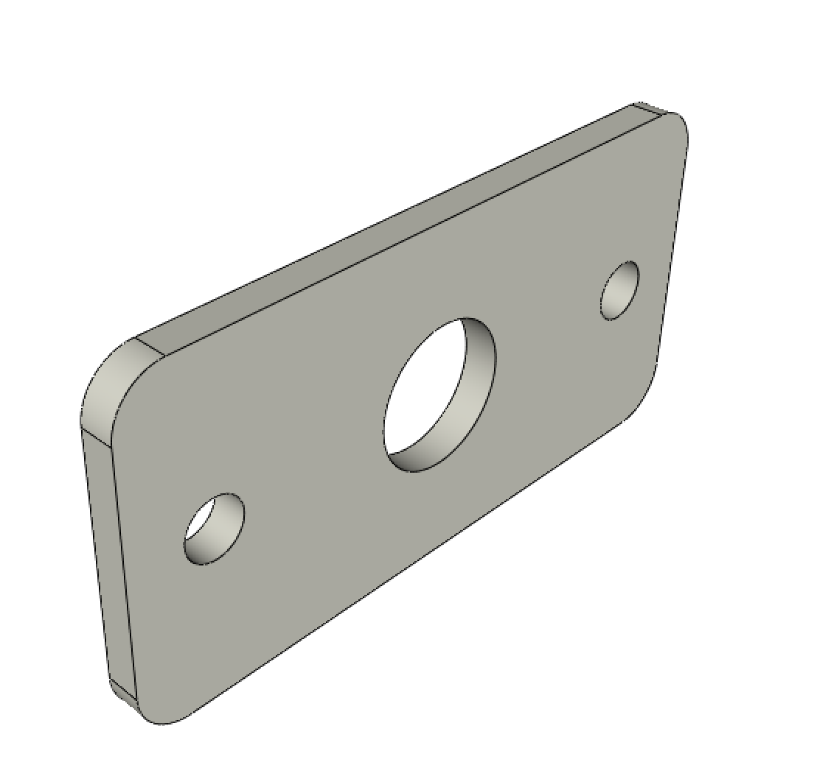 | 1

